Indices

 | Iraq Stock Exchange
 | Bulletin No (213)

 | ISX Trading Indices of Thursday 27/11/2025

 | Traded Volume and OTC |  | 403,925,377 |  | Traded Value and OTC |  | 721,676,098 |  | Traders | 882
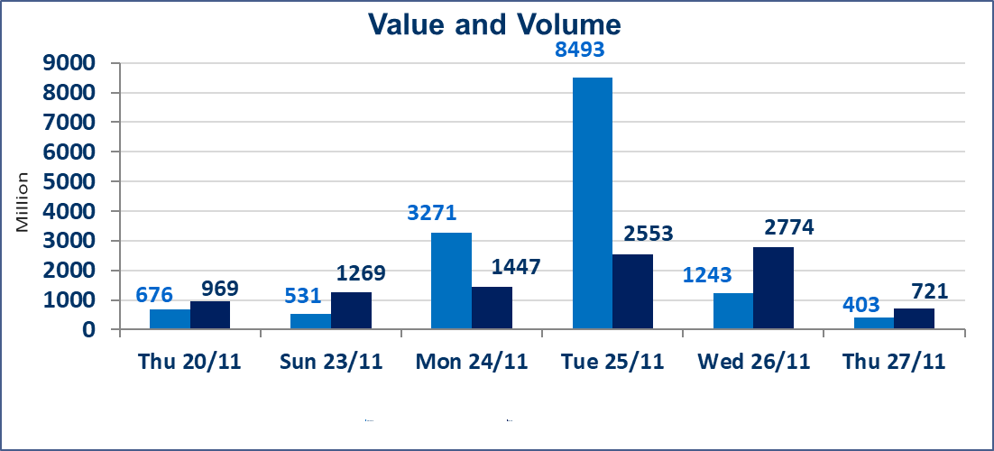
 | ISX Index 60 |  |  | 952.03 | ISX Index 15 |  |  | 1177.62
 | Previous ISX Index60 |  |  | 948.02 | Previous ISX Index15 |  |  | 1174.82
 | Change % |  |  | 0.42 | Change % |  |  | 0.24
 | Change |  |  | 4.01 | Change |  |  | 2.80

 | Listed Companies | 104 | OTC | 11 | Non Traded listed | 42 | OTC | 9
 | Traded Listed Companies | 44 | OTC | 1 | Higher Companies |  |  | 13
 | GAM Companies |  |  | 8 | Lower Companies |  |  | 14
 | Suspended Companies |  |  | 10
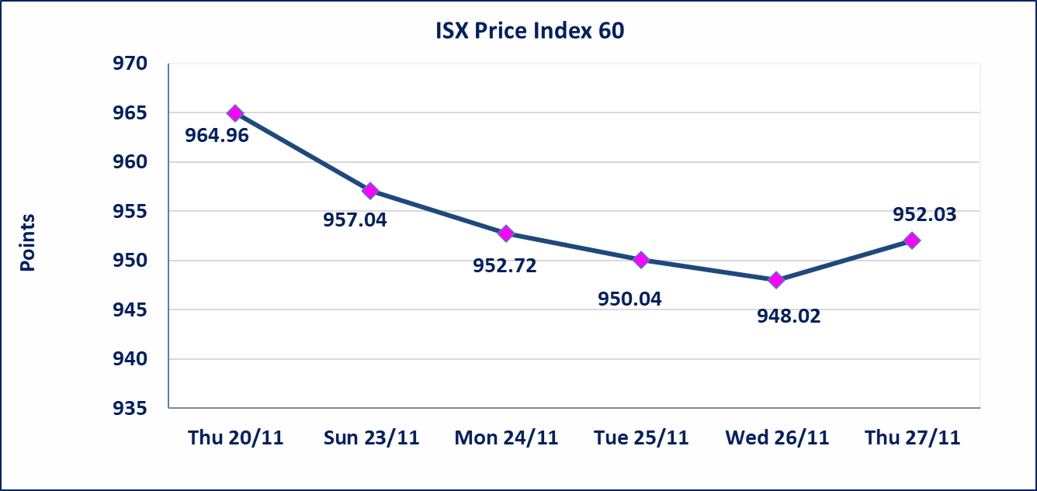
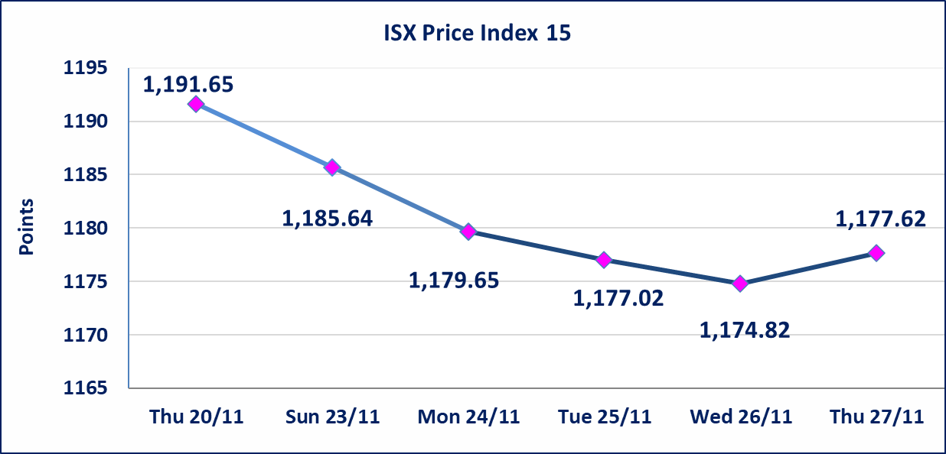

Al-Alwiya P.O . 3607 Mobile: 07711211522 - 07270094594 - 07834000034 E-mail: info-isx@isx-iq.net Web site:www.isx-iq.net

Top 5
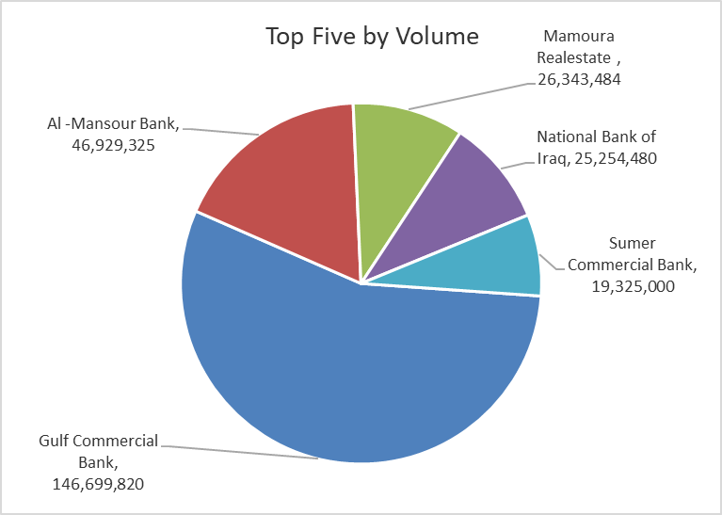
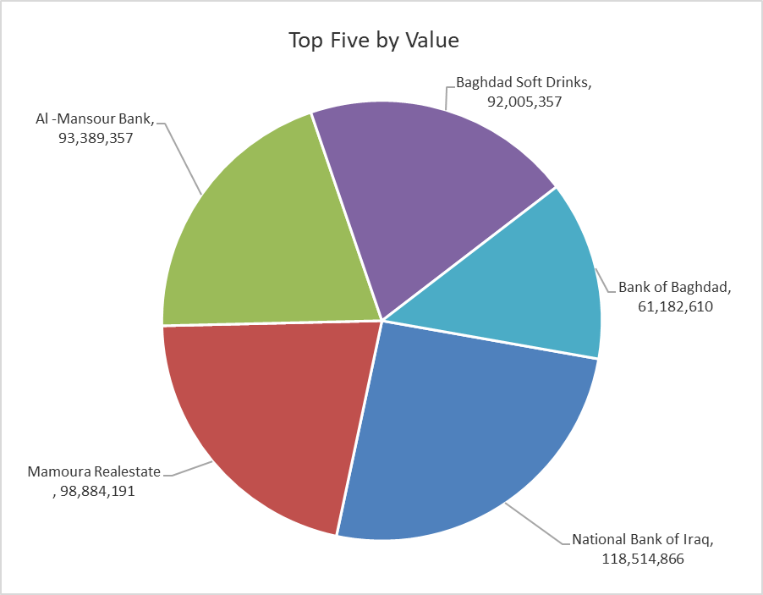
ISX top ganing and losing companies
Thursday 27/11/2025
Gainers |  |  |  | Losers
Company Name | Closing Price | Change (%) | Traded Volume | Company Name | Closing Price | Change (%) | Traded Volume
Babil Animal & Vegetable Production | 12.650 | 15.00 | 2,264,392 | Sumer Commercial Bank | 0.100 | -9.09 | 19,325,000
Al-Khatam Telecom | 3.100 | 14.81 | 610,952 | Al-Ameen for Insurance | 0.860 | -8.51 | 1,439,544
Iraqi Date Processing and Marketing | 2.740 | 14.17 | 6,000 | Mosul Bank For Investment | 0.140 | -6.67 | 6,000,000
Ashour Hotel | 36.000 | 12.50 | 1,000 | Al -Khazer Construction Materials | 1.320 | -5.71 | 12,816,075
Baghdad for Packing Materials | 3.300 | 10.00 | 600,000 | Tourist Village of Mosul dam | 18.000 | -5.26 | 5,000

The most active companies in term of traded volume and value

Traded Volume |  |  |  | Traded Value
Company Name | Closing Price | Change (%) | Traded Volume | Company Name | Closing Price | Change (%) | Traded Value
Gulf Commercial Bank | 0.290 | 3.57 | 146,699,820 | National Bank of Iraq | 4.680 | -0.21 | 118,514,866
Al -Mansour Bank | 1.990 | 0.00 | 46,929,325 | Mamoura Realestate | 3.820 | 4.66 | 98,884,191
Mamoura Realestate | 3.820 | 4.66 | 26,343,484 | Al -Mansour Bank | 1.990 | 0.00 | 93,389,357
National Bank of Iraq | 4.680 | -0.21 | 25,254,480 | Baghdad Soft Drinks | 5.200 | 1.96 | 92,005,357
Sumer Commercial Bank | 0.100 | -9.09 | 19,325,000 | Bank of Baghdad | 3.470 | -0.86 | 61,182,610

OTC

Iraq Stock Exchange

Thursday 27/11/2025
OTC Platform Trading Bulletin No (213)
Company Name | Code | highest price | lowest price | Average price | No.of Trades | Traded Volume | Traded Value
Banks Sector
Al-Warka Bank | BWAI | 0.080 | 0.070 | 0.070 | 6 | 20,101,000 | 1,408,080
Total Of Banks Sector |  |  |  |  | 6 | 20,101,000 | 1,408,080
Total |  |  |  |  | 6 | 20,101,000 | 1,408,080

Not Trading OTC Companies
Company Name |  |  | Code |  | Previous Average price
Banks Sector
Al-Sanam Islamic Bank |  |  | BSAN |  | 3.000
Hammurabi Commercial Bank |  |  | BHAM |  | ـــــــــــــــــــــــــــــــــــ
Money Service Sector
Rabee Securities |  |  | FRSE |  | 9.500
Karmal Brokerage |  |  | FKSX |  | 10.000
Ishtar Gate for e-Paymant |  |  | FISH |  | 1.000
Sama Baghdad Exchange |  |  | FSBE |  | ـــــــــــــــــــــــــــــــــــ
Iraqi Deposit Insurance Corporation |  |  | FIDI |  | ـــــــــــــــــــــــــــــــــــ
Insurance Sector
Shatt Al Arab Insurance |  |  | NSHA |  | 1.000
Dilina Insurance Company |  |  | NDIL |  | ـــــــــــــــــــــــــــــــــــ

Non Iraqis

Iraq Stock Exchange
Non Iraqis' Bulletin Thursday Nov 27 2025
Regular Market

Non Iraqi Trading of Regular Market (Buy)
Company Names | Code | No.of trades | Traded Shares | Trading Volume
Banks Sector
National Bank Of Iraq | BNOI | 15 | 11,187,516 | 52,551,325
Al-Mansour Bank | BMNS | 1 | 14,822,925 | 29,497,621
Total Bank sector |  | 16 | 26,010,441 | 82,048,946
Telecommunication Sector
Asia cell | TASC | 1 | 93,250 | 1,204,790
Total Telecommunication sector |  | 1 | 93,250 | 1,204,790
Grand Total |  | 17 | 26,103,691 | 83,253,736

Non Iraqi Trading of Regular Market (Sell)
Company Names | Code | No.of trades | Traded Shares | Trading Volume
Banks Sector
Al-Mansour Bank | BMNS | 17 | 8,629,325 | 17,172,357
Total Bank sector |  | 17 | 8,629,325 | 17,172,357
Grand Total |  | 17 | 8,629,325 | 17,172,357

